EnquiryForm
 |  |  |  |  |  |  |  | Project Reference
SEASCREEN Enclosed
Enquiry Form
Item | Width (W) mm | Drop (D) mm | Trim Thickness | Operation | Powered Cable Exit | Control | Format | Crossbar Colour | Crossbar Orientation | Fabric Colour | Quantity | Blind Location / Reference | x
1
2
3
4
5
6
7
8
9
10
Manual
Manual
Powered
 | If the trim is OVER 15mm, a small cut out will need to be made for accessing the handle
 | If the trim is UNDER 8mm, the crossbar will intrude
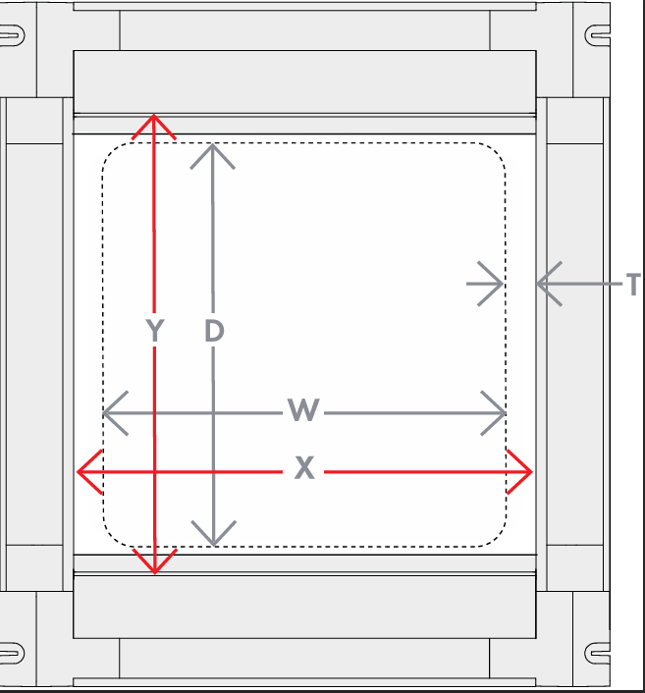
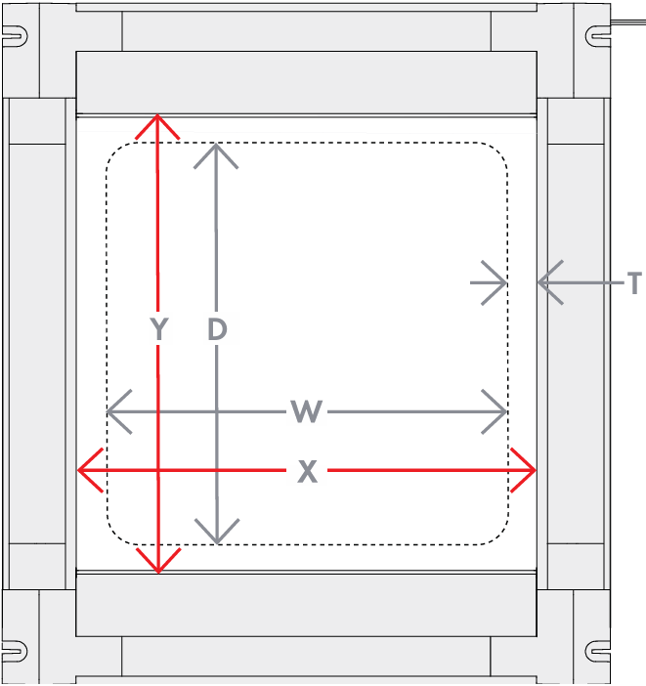
All boxes must be completed for each order line (complete left to right). |  |  |  |  |  | Please Provide Drop, Width and Trim - We Will Provide The X and Y
Shaded boxes are not required.
Please contact Seaview if aperture width is less than than 30% of drop.
Notes |  |  |  |  | W | H | If Over/Under, Cell will turn red
 |  |  |  | Min | 230 | 260
 |  |  |  | Max | 800 | 800

Date:
Customer Name:
Customer Email:
Customer Tel. Number:
Customer Address:

