Enquiry Form
 |  |  |  |  |  |  |  |  |  |  | Project Reference
SEAPLEAT Shape 14
Enquiry Form
Item | Dimension Type (Select) | Shape Orientation (Select) | Width (mm) (Enter) | Drop (mm) (Enter) | Hardware Colour (Select) | Fabric Code (Select) | Installation Angle (Select) | Stack Position (Select) | Fixing Type (Select) | Hold Down (Select) | Control Option (Select) | Quantity (Enter) | Blind Location (Optional) (Enter)
1 |  |  | Complete below | Complete below
2 |  |  | Complete below | Complete below
Recess dimensions will have 10mm deducted from the width
Line 1 |  |  |  | mm |  |  |  |  |  |  | Date
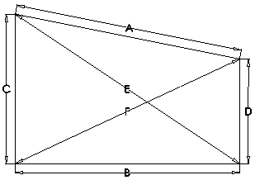 |  |  | A |  | 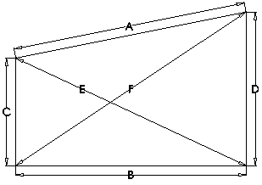 |  |  |  |  |  | Customer Name
 |  |  | B |  |  |  |  |  |  |  | Customer Email
 |  |  | C |  |  |  |  |  |  |  | Customer Tel. Number
 |  |  | D
 |  |  | E |  |  |  |  |  |  |  | Customer Address
 |  |  | F

 |  |  |  |  |  |  |  |  |  |  | Notes
Line 2 |  |  |  | mm
 |  |  | A
 |  |  | B
 |  |  | C
 |  |  | D
 |  |  | E
 |  |  | F

1. 5% discount for 11+ units. 2. Quantities of 20+ are on special quotation. 3. Prices based on aperture dimensions. 4. All prices are Ex Works, Ex VAT & supplied only in pounds sterling.

